GURU
 |  | GURU AUSTRALIAN BOOTS

 | REFERENCE | COLORS | 36 | 37 | 38 | 39 | 40 | 41 | Pairs per Box | BOXES | Available Stock | Retail Price | Wholesale
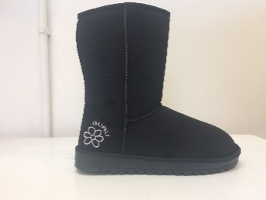 | GL179000 | BLACK | 108 | 215 | 326 | 327 | 218 | 109 | 12 | 74 | 888 | 69.90 € | 29 €
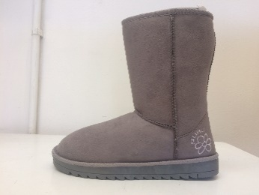 | GL179000 | GREY | 84 | 167 | 250 | 251 | 170 | 85 | 12 | 46 | 552 | 69.90 € | 29 €
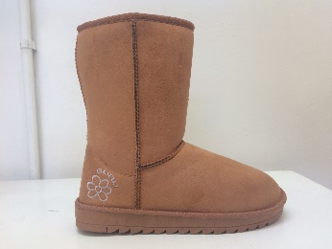 | GL179000 | HONEY (A79) | 108 | 215 | 327 | 327 | 218 | 109 | 12 | 66 | 792 | 69.90 € | 29 €
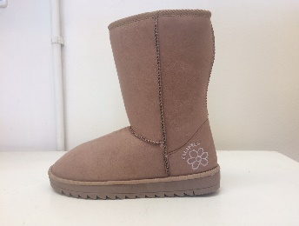 | GL179000 | SAND | 103 | 205 | 311 | 311 | 208 | 104 | 12 | 68 | 816 | 69.90 € | 29 €
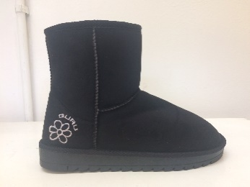 | GL179001 | BLACK | 104 | 207 | 312 | 312 | 208 | 104 | 12 | 57 | 684 | 59.90 € | 29 €
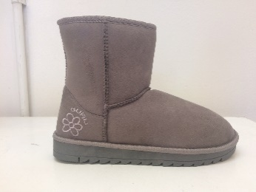 | GL179001 | GREY | 84 | 167 | 252 | 252 | 168 | 84 | 12 | 41 | 492 | 59.90 € | 29 €
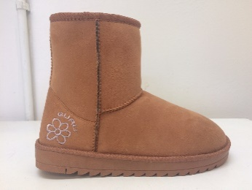 | GL179001 | HONEY (A79) | 103 | 205 | 309 | 309 | 206 | 103 | 12 | 40 | 480 | 59.90 € | 29 €
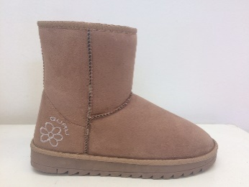 | GL179001 | SAND | 103 | 205 | 309 | 309 | 206 | 103 | 12 | 59 | 708 | 59.90 € | 29 €
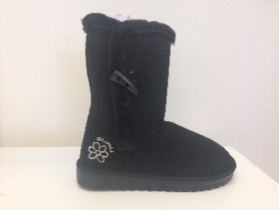 | GL179002 | BLACK | 104 | 227 | 342 | 342 | 228 | 114 | 12 | 61 | 732 | 69.90 € | 29 €
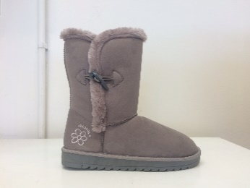 | GL179002 | GREY | 84 | 176 | 252 | 252 | 168 | 84 | 12 | 40 | 480 | 69.90 € | 29 €
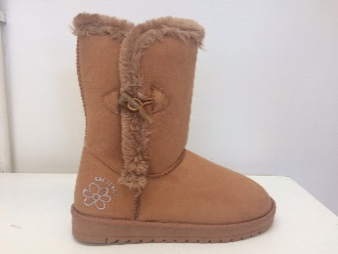 | GL179002 | HONEY (A79) | 113 | 222 | 339 | 339 | 226 | 113 | 12 | 60 | 720 | 69.90 € | 29 €
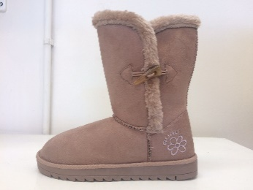 | GL179002 | SAND | 113 | 225 | 339 | 339 | 226 | 113 | 12 | 57 | 684 | 69.90 € | 29 €
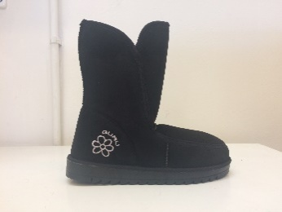 | GL179003 | BLACK | 84 | 167 | 252 | 252 | 168 | 84 | 12 | 61 | 732 | 69.90 € | 29 €
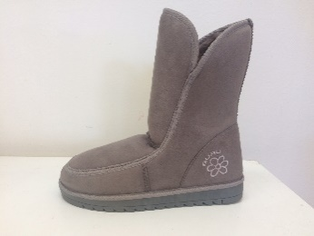 | GL179003 | GREY | 84 | 167 | 252 | 252 | 168 | 84 | 12 | 49 | 588 | 69.90 € | 29 €
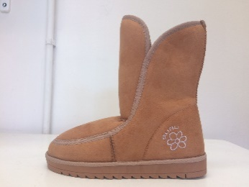 | GL179003 | HONEY (A79) | 84 | 167 | 252 | 252 | 168 | 84 | 12 | 62 | 744 | 69.90 € | 29 €
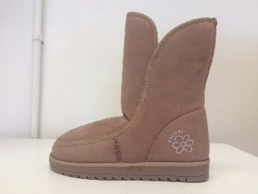 | GL179003 | SAND | 94 | 187 | 282 | 282 | 188 | 94 | 12 | 64 | 768 | 69.90 € | 29 €
 |  |  |  |  |  |  |  |  |  | 905 | 10860

